Sheet1
year | category | value
2018 | National | 8.7
2019 | National | 11.9
2020 | National | 24
2018 | Urban | 8.3
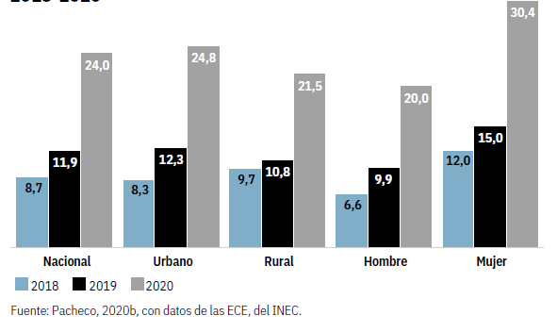
2019 | Urban | 12.3
2020 | Urban | 24.8
2018 | Rural | 9.7
2019 | Rural | 10.8
2020 | Rural | 21.5
2018 | Men | 6.6
2019 | Men | 9.9
2020 | Men | 20
2018 | Women | 12
2019 | Women | 15
2020 | Women | 30.4

